Sheet1
Item | Overhead Cost | Yearly Recurring Cost | Per Season Cost | Per month revenue | Per year revenue (6 months of fruiting only) |  | Yearly for 10 boxes | Overhead Cost | $95,000
Reverse Osmosis Machine | $200 |  |  |  |  |  |  |  |  | Revenue | $369,214
Industrial Air Purifier (for mold) | $219 |  |  |  |  | Water | $5,000 | Yearly Profit | $95,518
Yearly Profit vs Overhead Cost
20 of 4ft Kind LED's | $4,000 |  |  |  |  | Electricity | $5,500
Tempered Glass | $2,760 |  |  |  |  | Nutrients | $52,500
Nutrients |  | $3,490 |  |  |  | Rent | $31,000
Coolers | $400 |  |  |  |  | Substrate & plants | $18,895.80
80/20 Metal structure | $954.60 |  |  |  |  | Labor | $156,000
Substrate |  |  | $212.88 |  |  | Heating | $4,800
Water |  | $630 |  |  |  | Profit | $95,518
Strawberry plants |  |  | $420 |  |  | Total Costs | $273,695.80
Rotating Metal Structure | $1,000 |  |  |  |  | Revenue | $369,214
Revenue: |  |  |  | $5,000 | $30,000
Rent (2400 sqft) |  | $31,200
100 sqft per box (15 boxes)
Electricity |  | $1,215.90 |  |  | Profit (per year per box) | $24,614
Cost (per box) | $9,534 | $4,120.00 | $1,265.76 |  | Revenue (per year per 15 box) w/o labor | $369,214
Cost for 10 boxes | $95,336 | $41,200.00 | $12,657.60 |  | Profit (per year per 15 box) w/labor | $213,214
Labor (3 people for 15 boxes) |  | $156,000
(3 people on site at all times)
 |  | $52,000 per person per year for 40hrs/wk * 52 wks @ $25 / hour
2 season per year
Strawberry substrate cup: 28.3 cubic inches |  |  |  |  | Electricity: 20 LED's, 80W for 16 hours per bar, 9 million watt hours, or 9,011 kWh per year
Water: 51,000 gallons yearly |  |  |  |  | $801.24/year charge
$9.24 per gallon for 68+ units of water |  |  |  |  | $41.49 yearly for one box | $414.90 yearly / 10 boxes
Indoor Hydroponic Cost Breakdown
Krieger's Nursery: $210 / 500 plants |  |  |  | Could have a sterile nursery test environment
1024 plants per box |  |  |  | And then a legacy microecosystem running in the OG environment
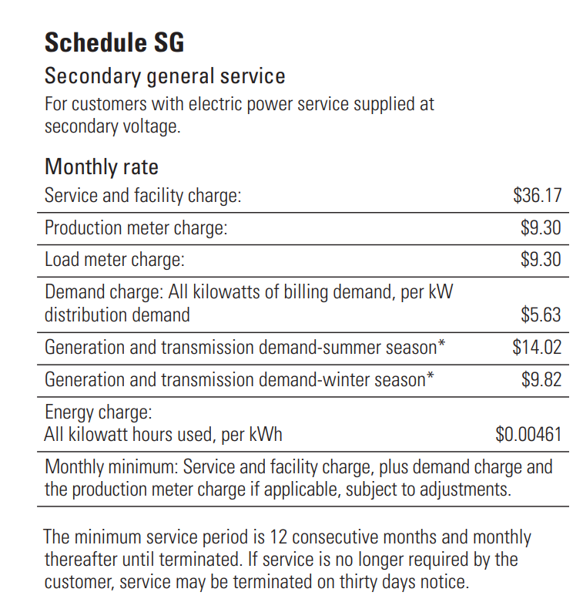
28.3 cubic inches per cup, 28,300 cubic inches of substrate needed (1000 plants)
3051 cubic inches for 50L, $22.95, of CoCo COir
9.27 bags of Coco Coir, $212.88 for 1000 plants of substrate
.21 lb of strawberries per plant per month
1lb is $5 per plant per month
$10 / sqft per month (100 sqft box)
$31,200 per year for rent (Denver, CO)
https://www.loopnet.com/Listing/6321-N-Washington-St-Denver-CO/22343426/

